INCOME STATEMENT
NON-CASH EXPENSE MODULE-THE SOFTWARE'S SECOND LAYER

When you post expenses in the income and expenditure module, you have done almost everything that is needed for generating the Profit & Loss. In some cases you would have done everything, and nothing more needs to be done.
The table above has postings done in the Income & Expenditure module, that are now very useful in Profit and Loss Statement.
In conventional accounting, we have non-cash expenses like depreciation, and accrued expenses.
In property management, these expenses need to be accounted for, especially given some management contracts that require the managing agent to handle all the landlord's accounting.
To address these potential concerns, we will have another expense module designed to specifically cater for non-cash payments. This module behaves in a way different from what the Cash Expenses module for Income & Expenditure does, because it's strictly for non-cash expenses.
Profit and Loss statements meet the required accounting standards if they incorporate non-cash expenses.

NON-CASH EXPENSE MODULE

Expense Account | Expense Code USD | Expense Code ZWG | Expense Category | Class | Liability/Supplier/Payable Acc | Matching Category | Lessors Accruals Sub Account | Landlord Sub -Account | Default Expense Description | Custom Expense Description
Property Expense - Salaries & Wages | 2000/001 | 2000/501 | Operating Expenses | Clearable | Accrued Salary Payable | Rent | Lessor's Accrual Rent Liability | Landlord Rent Liability | Salaries & Wages | Sunset Villas-January salaries
Property Expense - City of Harare Rates | 2000/009 | 2000/509 | Operating Expenses | Clearable | Accrued C.O.H Rates | Rent | Lessor's Accrual Rent Liability | Landlord Rent Liability | City of Harare Rates | Accrued Rates-City of Harare-Palm Heights
Property Expense - Upper Manyame Rates | 2000/010 | 2000/510 | Operating Expenses | Clearable | Accrued Upper Manyame Rates | Rent | Lessor's Accrual Rent Liability | Landlord Rent Liability | Upper Manyame Rates | Accrued Rates-Upper Manyame
Property Expense-NSSA | 2100/001 | 2100/501 | Payroll Expenses | Clearable | NSSA Payable | Rent | Lessor's Accrual Rent Liability | Landlord Rent Liability | NSSA | NSSA expense-January
Property Expense-PAYE | 2100/002 | 2100/502 | Payroll Expenses | Clearable | PAYE Payable | Rent | Lessor's Accrual Rent Liability | Landlord Rent Liability | PAYE | PAYE expense-January
Property Expense-Depreciation | 2500/000 | 2500/501 | Operating Expenses | Non-Clearable | Accumulated Depreciation | Rent | Lessor's Accrual Rent Liability | Landlord Rent Liability | Depreciation | Office Furniture Depreciation

SEQUENCE
When you open the dialogue, the sequnce is as follows:
1 | Select a date
2 | First select the expense account for the non-cash cost you want to incur
 | The selection of the expense dictates the currency which is going to be used throughout the entire transaction. If its USD then it's USD throughout.
3 | Choose the transaction class, that is clearable or non-clearable. Correct class is required, why?
 | Amount owing to City of Harare, NSSA,PAYE,Upper Manyame and Staff Salries will be paid in cash/bank transferin future, so by terming it clearable, it shows us that it has a 99.9% chance of reducing our cash balances.
 | However, a depreciation expense is just an expense to reduce our profit and it will never be paid in cash to anyone. We do not owe anyone depreciation hence, classifying it under non-clearable.
 | By classifying it as non-clearable expense, it means it will not affect the cumulative balance of the Lessor's Accruals Account, the reason being that the agent wants the account to reflect the actual balance of accrued expenses.
4 | Select the supplier or payables or liability account.
5 | Select the funding source category.By selecting the funding source category, you put the system in a category lock mode.
 | This category lock functionality dictates the category to be picked when selecting the Landlord sub account and the Lessor's Accrual account.
 | Category locking enforces accuracy; that is Landlord Rent sub-account should match with the Lessors Accrual Account's category. This will be further explained later.
 | These categories are Rent, Levy, Special Levy, Rates, Parking, and VAT. Maintenance. Why do we call them funding categories when we are posting non-cash-based expenses? That's a very good question.
 | Even though these expenses are non-cash, in future, when we want to make payments to clear the outstanding amounts, what will be the source of cash to pay those liabilities/suppliers/payables?
 | The funding source is needed based on the logicthat when we finally want to settle the bills from suppliers, we will be required to select a funding souce category, that is the landlord sub-account from which we settle the bills.
6 | After selecting the right category in step 5, you the select the Lessor's Accrual Sub acc. The category selection in the previous determined the category and the system will automatically display the correct Lessors Accrual sub-account.
7 | You select the landlord sub account to be affected by the expense. This sub-account will be the source of funds to clear off the arrears at the payment stage.
8 | After selecting the Landlord account, a default Expense description automatically displays, based on the Expense account you have selected in step 2. You can decide to enhance the description or leave it like that.
 | However, proper narration improves communication and reporting to your clients
9 | You finally put the amount you want to spend.
10 | You submit the transaction and get redirected to the confirmation dialogue to confirm if you have decided to update the transaction.

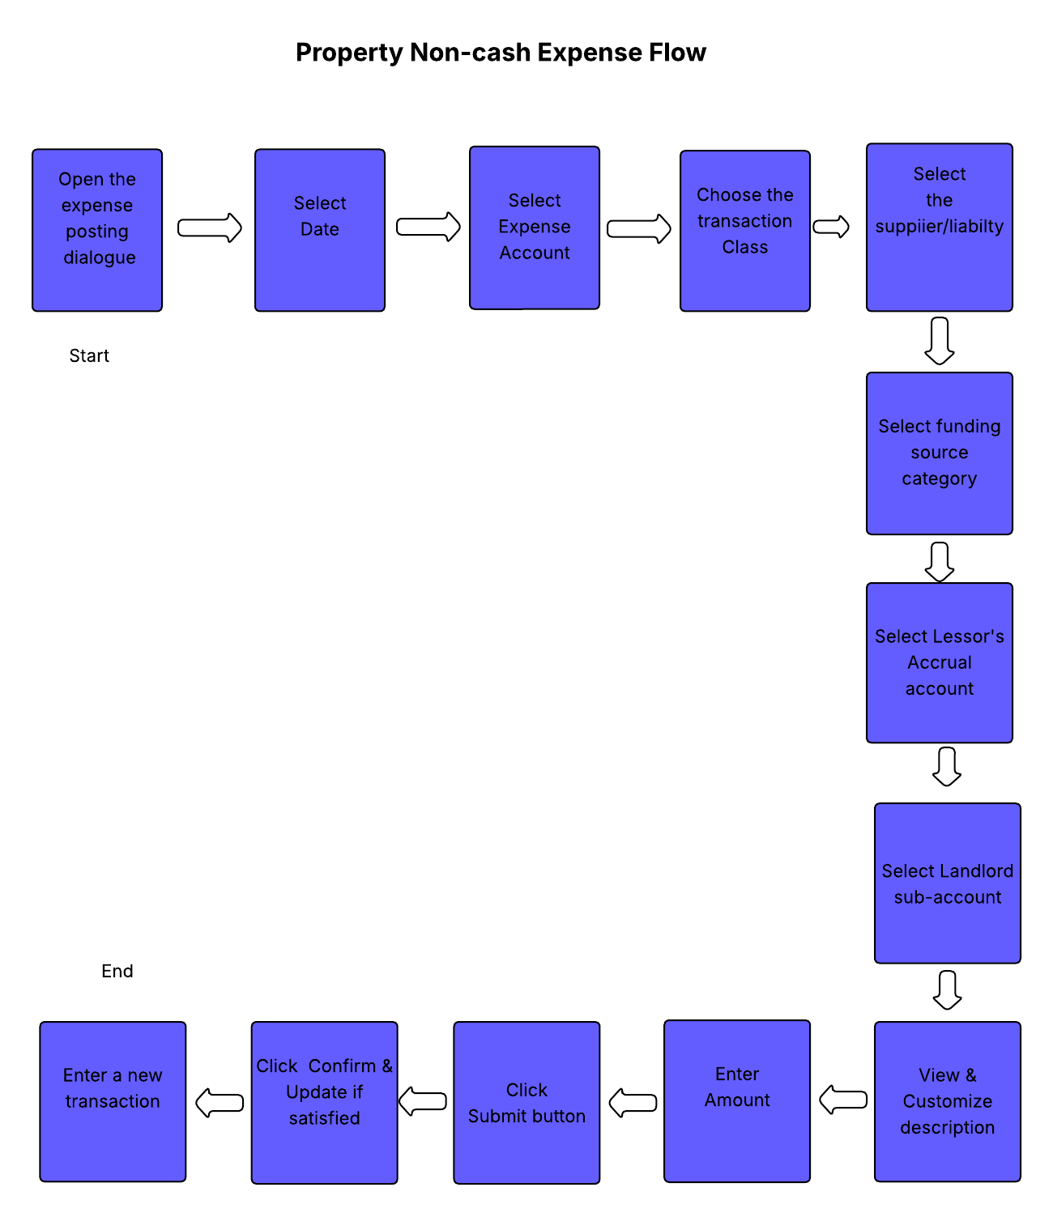

It is worth noting that all expense modules, be it cash based or non-cash based, contain all expenses accounts.
With that in mind, to avoid mix up of transactions, for example depreciation of furniture can be posted using the cash expense module, resulting in decrease in the landlord statement account balance.
That scenario is very possible, and measures must be in place to deal with such a problem.

To address that problem, we minimise the likelihood of a mixup of transactions by recommending the following measures:

1 | A clear segregation of duties, where there is just one person specialising in posting non-cash expenses.

2 | Ensuring that monthly, weekly bank reconciliations are done to ensure that non-cash transactions that are posted wrongly via the Cash Based Expense module are weeded out immediately upon figuring out the anomalies.

3 | Another way to protect us in those scenarios is that the cash based expense module dialogue first asks for the bank account to fund the expense before you continue to do anything.
 | That way is not 100% effective, considering an example where on the 2nd day of the month,the data capturer posts City of Harare rates billed for the previous month, but the payment for that bill is yet to be done.
 | All scenarios like that of City of Harare rates expense can be addressed by adherence to the internal accounting procedures that forbid the data capturer to post transactions without verifying the source of funds for that expense.
.
Applying those three measures reduces the likelihood of mixup of cash and non cash transactions.
The aim is to keep the landlord's cash balances correct, without overstating or understating them.

TRANSACTION FLOW-NON-CASH BASED EXPENSE MODULE-PROFIT & LOSS

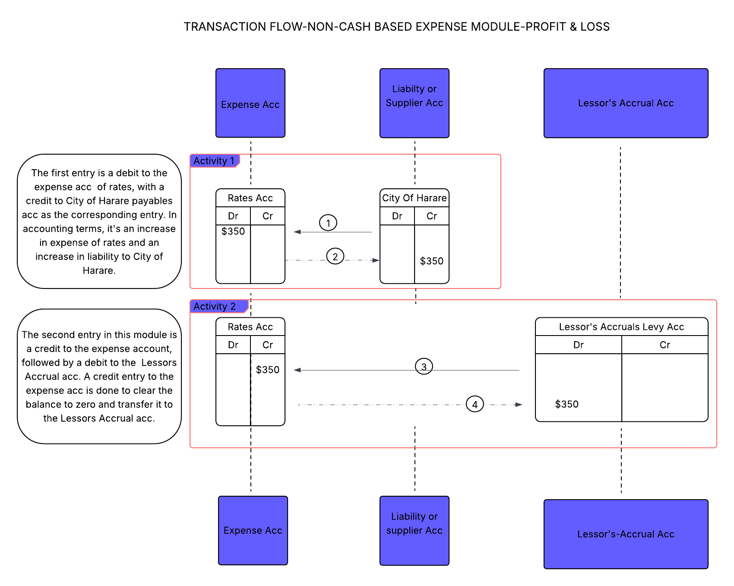

The above diagram is a transaction flow for non-cash expense item. This is an expense for City of Harare rates.
When you click the submit & update button, the module feeds data in that sequence.
The accounting concept used here is the accruals concept, which dictates that expenses should be recorded in the books of accounting during the period they are incurred rather than the period they are paid for in cash or bank transfer.
The Lessor's Accrual account is an account that records the total liabilties that the landlord must meet before we release fund to him for personal use or other expenditures of their desire.
Keeping the record of those arrears in the lessor's Accrual account helps the management to present the right figures they owe the landlord afte considering future payments that need to be done.
It shows the landlord how much they owe to City of Harare, NSSA, ZIMRA and other relevant authorities before we release cash to him for lifestyle spending.

The Lessor's Accrual(Sunset Accruals Levy) account and the payables account(City of Harare) have carrying balances which need to be cleared. Clearing off those balances requires a payment to be made, otherwise the accounts will remain like that forever.

The diagram below show the transaction flow when the payment is finally by the managing agent on behalf of the landlord(Sunset Villas) to City of Harare to clear the arrears.
The payment is processed via the Cash Expense module. The data capturer for Cash based expenses first selects City of Harare payables as his expense account and do all other subsequent inputs required for a cash expense transaction to go through.

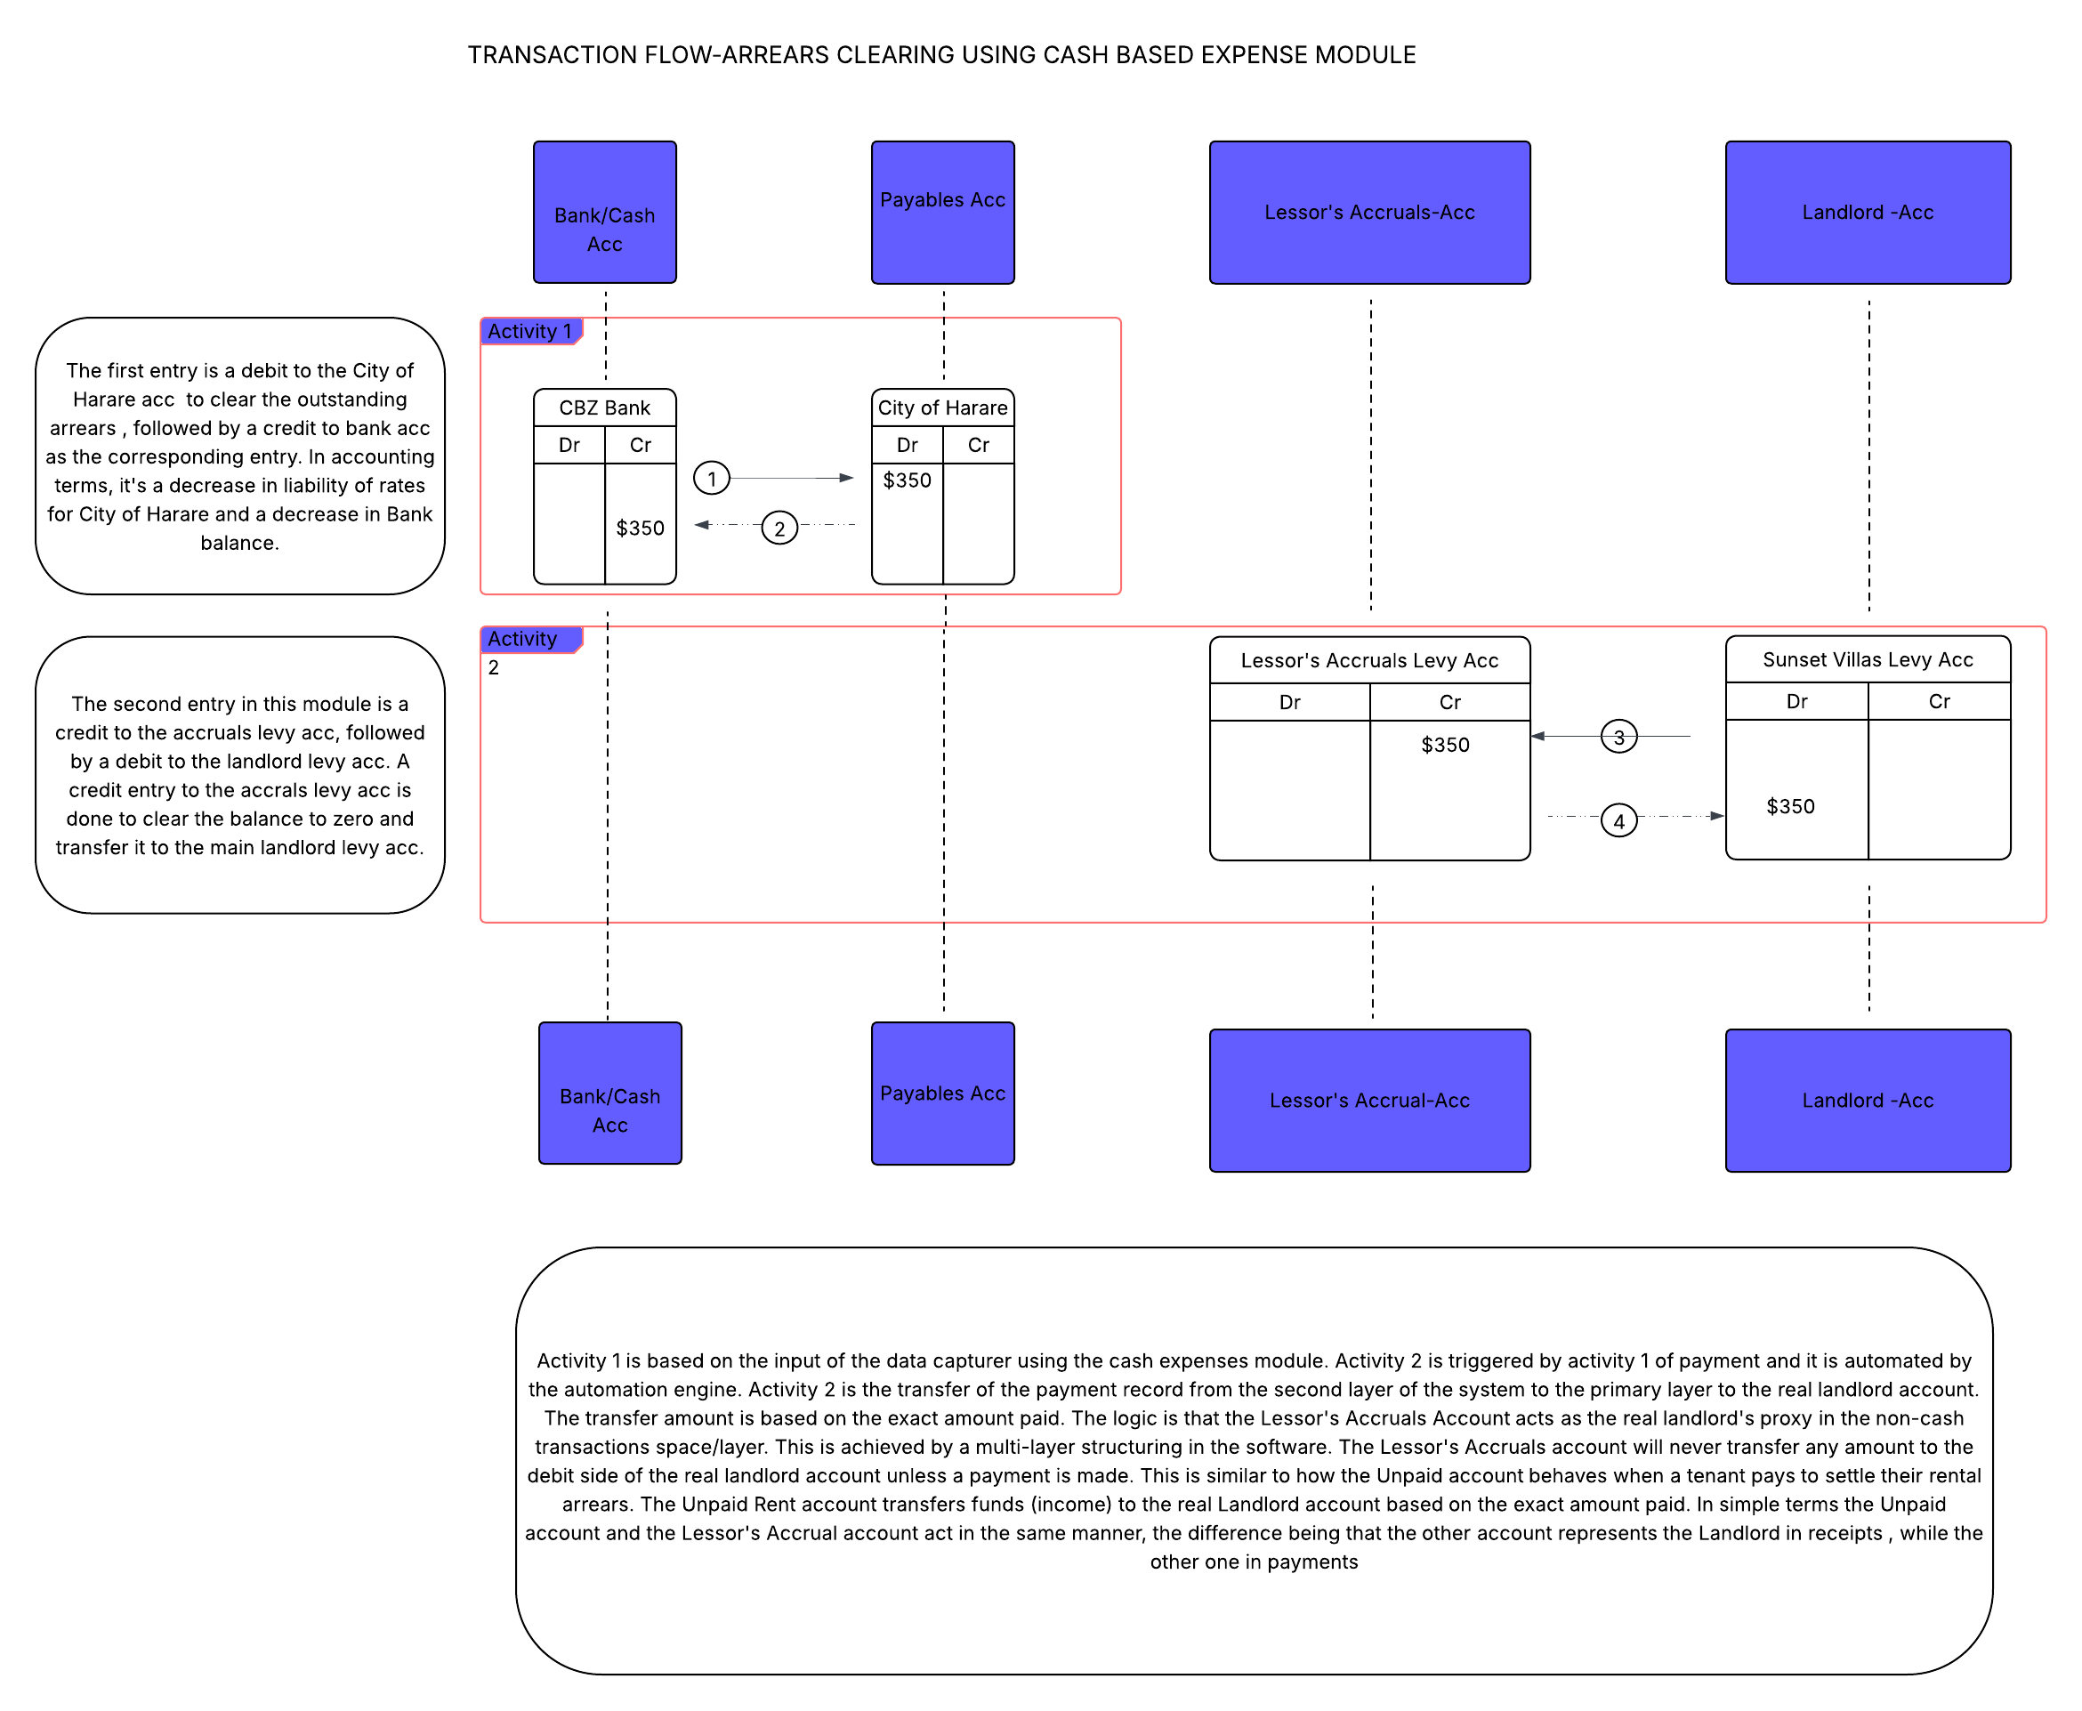

THE LESSOR'S ACCRUALS ACCOUNT

The Lessor's Accruals Account is the centre of the non-cash expense module. It is the backbone of this module. It is an internal clearing account standing in place of the landlord
We can now dive deep to look at why it is an important account for this module.

 |  |  |  | Lessor's Accrual Acc | Answer
 |  |  |  | Account Type | Liability (control)
 |  |  |  | Role | Clearing / bridge
 |  |  |  | Affects Cash | No
 |  |  |  | Affects P&L | ✅ Indirectly
 |  |  |  | Visible in Reports | Hidden

The non-cash expense module is in a layer different from the cash expense module. Creating the system in multiple layers is very important as it creates parallelism to avoid a mix-up of transactions by any chance.
The first layer (primary layer) is for all activities that gives us all reports , except the Profit & Loss, Balance Sheet,Trial Balance and Cashlow.
This layer does not go beyond Income and Expenditure report in terms of reporting.
This layer focuses on cash receipts and expenses only. It doesn't account for non-cash expenses and other non-cash balance sheet accounts.

The second layer introduces non-cash expenses (accruals) for accurate profit and loss reporting.
This is the layer responsible for giving us Profit & Loss, Balance Sheet, Trial Balance, Cashflow Statement, and Accounting Ratios.

Entering non-cash expenses and non-cash balance sheet accounts adjustment using this layer has the following advantages in property management software .
1 | It gives clear separation of reality versus reporting.With layers, you can clearly see the actual cash movement, what economically happened, and what existed before the agent took over management.
 | Without layers, non-cash expenses distort the actual cash position, and it will be very hard to tell the actual cash position we owe the landlords, even the landlords themselves find it hard to tell how much they are being owed.
2 | Having multiple layers helps to combat fraud. Having cash and non-cash transactions mixed up will give some of the managing agent's employees a great opportunity to embezzle funds under the cover of a transaction mix-up.
3 | Auditing accounts is made easy when the system uses a multilayer achitecture.
4 | Multi-layer architecture is good for scaling

The advantages of a multilayer architecture are too many to ignore, and we can't exhaust them all.

 |  |  |  | Layer Type | Layer | Cash/Non-cash |  |  | Used for
 |  |  |  | Cash Layer | Layer 1-(Primary layer) | Pure cash values only |  |  | Real money movement
 |  |  |  | Accruals Layer | Layer 2 | Non-cash |  |  | Profit or Loss
 |  |  |  | Operational Layer | Layer 3 | Non-cash |  |  | Assets & Liabilities movement
 |  |  |  | Opening Layer | Layer 4 | Pre-existing balances only |  |  | Opening balances

The Accruals account exists as a global account with different categories that are:
Lessor's Accrual Levy
Lessor's Accrual Rent
Lessor's Accrual Maintenance
Lessor's Accrual Rates
Lessor's Accrual VAT
Lessor's Accrual Special Levy
Lessor's Accrual Parking
Lessor's Accrual Deposits

The purpose of the Lessor's Accrual account is to represent the landlord account in the realm of non-cash transactions. It acts as the landlord's proxy in the second layer.
This representation of the landlord is what makes it more important in terms of Profit and Loss, Cashflow, Balance Sheet , Trial Balance, and Accounting Ratios

The Profit and Loss engine first extracts its data from the first layer( primary layer) to the Profit and Loss Statement.
The data extracted is good for profit and loss statement but there are scenarios where this data is not sufficient for reporting the true profit and loss position.

The data in layer 1 is for reporting the actual cash position but it fails to report the actual profit and loss position due to lack of non-cash expense transactions.
To pull data for non-cash transactions for a true profit and loss position, the Lessor's Accrual Accounting comes in handy. We cannot do anything meaningful Profit and Loss reporting without this account.
When the data for income and expenditure is extracted from the first layer, the Profit and Loss engine extracts additional data( non-cash transactions) into the appropriate accounts and finally consolidates the data to give into Profit & Loss Statement to give
an illusion that makes it seem as if these transactions were processed in the same layer.

As mentioned earlier, category locking enforces accuracy; that is Landlord Rent sub-account should match with the Lessors Accrual Account's category. Why is the very important?
If the City of Harare rates for Sunset Villas are being paid from the levy account, the Lessor's Accrual Account to be selected is Lessor's Accrual Levy, and the Landlord's sub-account is Levy Liabililty.
The Lessor's Accrual Levy Account role is to point the rates expense to the Landlord's Levy account. In the Profit & Loss Accounts for the Sunset Villas, if you request a Profit and Loss statement specifically for the Levy sub-account, you will see the rates expense.
The category matching engine in account mapping ensures that expenses are allocated to the correct sub-accounts, through the Lessor's Accruals Account.

With the aid of the non-cash expense module, the Lessor's Accrual account is responsible for connecting the expenses, landlord sub-accounts, and the supplier/liability.
At the self-billing/invoicing stage, the Lessor's Accrual Levy account enforces interrelatedness amongst the three accounts, that is Rates expense Acc, City of Harare liability account, and the Sunset Villas levy sub-account.
At the payment stage, the Lessor's Accruals Levy account is pre-programmed to detect a payment and execute an automatic transfer based on the interrelatedness established amongst the three accounts.
These two stages, self-billing and payment(clearance), demonstrate other big roles played by the Lessor's Accrual Account. It is at the centre of the matching engine.

A cash expense of $150 and a non-cash expense of $350 City of Harare Rates will be reported in the same account in Profit & Loss statement, with the account totalling $500 and seem as it the transactions were done in the same layer.
The Lessor's Accruals account plays another role of feeding the Profit & Loss engine with the $350 non-cash expense.
That's the power of a multilayer architecture and the Lessor's Accrual Acc

RECAP OF IMPORTANT POINTS TO NOTE

This second layer we use for producing Profit & Loss Statement is also termed the Accruals Layer
This layer maintains parallelism ensuring that cash and non-cash transactions won't mixup and compromise the landlord account cash balances.
Transfer of data between the primary layer and the second layer is only done when real cash movement has been detected
The Lessor's Accruals Account is the backbone of the Accruals layer, with the responsibility of handling all non-cash transactions on behalf of the real landlord account.
Just like the Unpaid Account, the Lessor's Accurals Account is global; it acts as a proxy for any landlord.
The non-cash expense module can be likened to a self-billing module that makes it possible to bill ourselves on behalf of the supplier
First Layer (Primary Layer ) focuses on pure cash-based reporting.
The second Layer (Accruals Layer) is purely non-cash and focuses on communicating the true profit position.

The next document is the Opening Layer of the software .

